AW24 Florsheim AU
 |  |  | FLORSHEIM SS24 EXCLUSIVES ORDER FORM
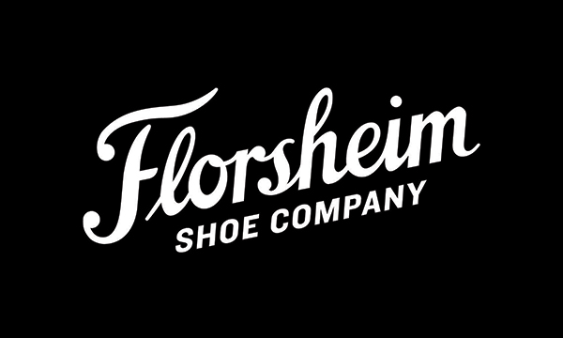
EXCLUSIVE TO FLORSHIEM ACCOUNTS
NOT SOLD ONLINE |  |  | ACCOUNT NAME: |  |  |  |  |  |  |  |  | NOTES:
NOT SOLD VERTICALLY
COMPETITIVE PRICE POINTS |  |  | DATE: |  | PO:
QUALITY STYLING
 | STYLE NAME | IMAGE LINK | COLOUR | WHOLESALE |  |  | STYLE CODE | MENS UK | 6 | 6.5 | 7 | 7.5 | 8 | 8.5 | 9 | 9.5 | 10 | 10.5 | 11 | 11.5 | 12 | 13 | 14 | 15 | Total Units | Total Dollar Incl GST
 |  |  |  | Ex GST | Incl GST | RRP |  | MENS EURO | 40 |  | 41 |  | 42 |  | 43 |  | 44 |  | 45 |  | 46 | 47 | 48

 | BELMONT | Full Specs Click Here | BLACK |  |  | $209.95 | 121560-001 | MEN'S EURO EEE |  |  |  |  |  |  |  |  |  |  |  |  |  |  |  |  | 0 | $-
 | BELMONT | Full Specs Click Here | TEAK |  |  | $209.95 | 121560-233 | MEN'S EURO EEE |  |  |  |  |  |  |  |  |  |  |  |  |  |  |  |  | 0 | $-
 | CENTRE CAP | Full Specs Click Here | BLACK |  |  | $179.95 | 121561-001 | MEN'S UK EEE |  |  |  |  |  |  |  |  |  |  |  |  |  |  |  |  | 0 | $-
 | COLEMAN | Full Specs Click Here | BLACK |  |  | $229.95 | 161191-001 | MEN'S UK EEE |  |  |  |  |  |  |  |  |  |  |  |  |  |  |  |  | 0 | $-
 | COLEMAN | Full Specs Click Here | BROWN |  |  | $229.95 | 161191-207 | MEN'S UK EEE |  |  |  |  |  |  |  |  |  |  |  |  |  |  |  |  | 0 | $-
 | COLEMAN | Full Specs Click Here | COGNAC |  |  | $229.95 | 161191-228 | MEN'S UK EEE |  |  |  |  |  |  |  |  |  |  |  |  |  |  |  |  | 0 | $-
 | REVEL | Full Specs Click Here | MUSHROOM |  |  | $199.95 | 171391-051 | MEN'S UK EEE |  |  |  |  |  |  |  |  |  |  |  |  |  |  |  |  | 0 | $-
 | REVEL | Full Specs Click Here | DENIM |  |  | $199.95 | 171391-419 | MEN'S UK EEE |  |  |  |  |  |  |  |  |  |  |  |  |  |  |  |  | 0 | $-
 |  |  |  |  |  |  |  |  |  |  |  |  |  |  |  |  |  |  |  |  |  |  |  |  | 0 | $-

